4
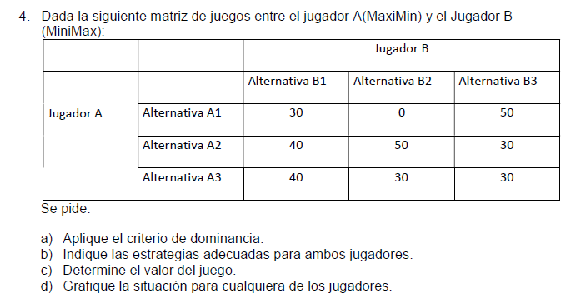
MAX V
Subject to
30p1 + 40p2 - V >= 0
0p1 + 50p2 - V >= 0
50p1 + 30p2 - V >= 0
p1 + p2 = 1
p1 >= 0
p2 >= 0
END
VALUE 35.71429
P1 0.285714
P2 0.714286
MIN V
Subject to
30p1 + 0p2 + 50p3 - V <= 0
40p1 + 50p2 + 30p3 - V <= 0
p1 + p2 + p3 = 1
p1 >= 0
p2 >= 0
p3 >= 0
END
VALUE 35.71429
P1 0.000000
P2 0.285714
P3 0.714286

Jugador A

 |  | Jugador B
 |  | B1 | B2 | B3
Jugador A | A1 | 30 | 0 | 50 | 0 | P1
 | A2 | 40 | 50 | 30 | 30 | P2
 | A3 | 40 | 30 | 30
 |  | 40 | 50 | 50 |  |  |  | V
 |  | Q1 | Q2 | Q3 |  |  | P | R1 | R2 | R3
0q2 + 50(1-q2) = V = 35,7114
50-50q2 = 35,7114
q2 = -14,2886/-50
q2 = 0,2857
q3 = 0,7142
 |  |  |  |  |  |  | 0 | 40.00 | 50.00 | 30.00
 |  |  |  |  |  |  | 0.1 | 39.00 | 45.00 | 32.00
 |  |  |  |  |  |  | 0.2 | 38.00 | 40.00 | 34.00
 |  |  |  |  |  |  | 0.3 | 37.00 | 35.00 | 36.00
 |  |  |  |  |  |  | 0.4 | 36.00 | 30.00 | 38.00
 |  |  |  |  |  |  | 0.5 | 35.00 | 25.00 | 40.00
 |  |  |  |  |  |  | 0.6 | 34.00 | 20.00 | 42.00
 |  |  |  |  |  |  | 0.7 | 33.00 | 15.00 | 44.00
 |  |  |  |  |  |  | 0.8 | 32.00 | 10.00 | 46.00
 |  |  |  |  |  |  | 0.9 | 31.00 | 5.00 | 48.00
 |  |  |  |  |  |  | 1 | 30.00 | 0.00 | 50.00

0p1 + 50(1-p1) = 50p1 + 30(1-p1)
0p1 + 50 - 50p1 = 50p1 + 30- 30p1
20 - 50p1 = 20p1
p1 = -20 /-70
p1 = 0,2857
p2 = 0,7142

 |  |  |  |  |  |  | V | 35.71

